Financial highlights -->


Group -->


US -->


Int -->
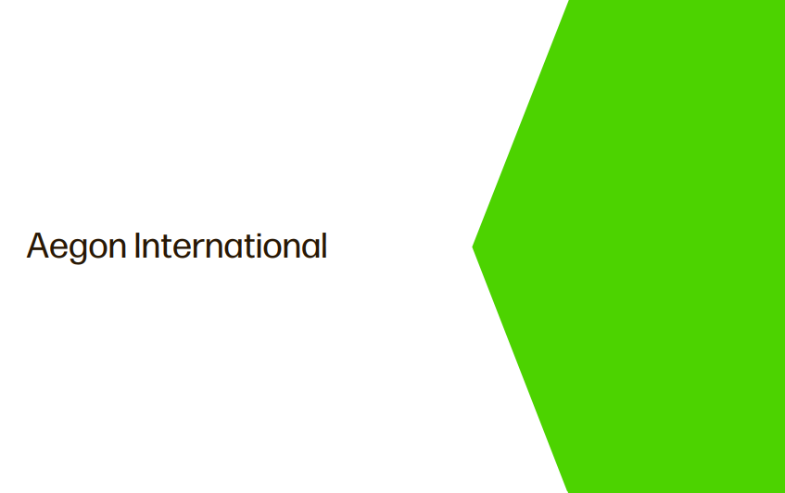

AAM -->


Other inf. -->


